Sheet1
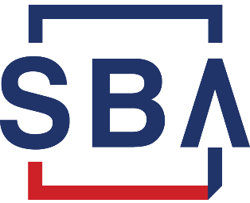

Estimated Start-up Cost Matrix
One-Time Costs | Estimated Amount | Source Notes
Deposits
Security Deposits | $0
Rent Deposit | $0
Telephone Deposit | $0
Utility Deposits | $0
Other Deposits | $0

Capital Expenditures
Computer Equipment | $0
Equipment & Machinery | $0
Furniture & Fixtures | $0
Vehicle (includes mileage) | $0
Leasehold improvements | $0
Buildings | $0
Land | $0
Other Capital Expenditures | $0

On-Going Expenses | Estimated Amount | Source Notes
Accounting Fees | $0
Activation Fee | $0
Corporate Fees & Taxes | $0
Federal Tax ID | $0
Fictitious Name Costs | $0
Insurance | $0
Legal & Consulting Fees | $0
Marketing | $0
Meals & Entertainment | $0
Office Expenses | $0
Office Supplies | $0
Salaries & Wages | $0
Payroll Taxes | $0
Benefits | $0
Pre-Opening Advertising | $0
Printing | $0
Rent | $0
Sales Tax Permits | $0
Other Start-up Expenses | $0

Total Start-Up Costs | $0

